Routing Table
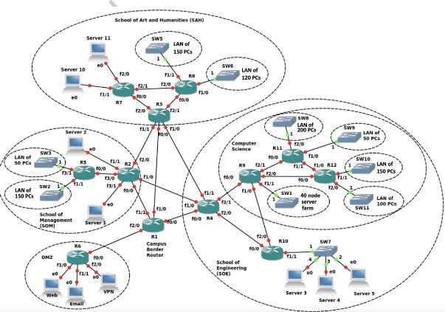
LAB REPORT 4:
Destination | Dest. IP | Next Hop | Next Hop IP | Interface
R2 | 132.26.2.20/30 | -- | -- | Directly- f1/1
R4 | 132.26.2.28/30 | -- | -- | Directly- f0/0
R3 | 132.26.2.24/30 | -- | -- | Directly- f1/0
R6 | 132.26.2.16/30 | -- | -- | Directly- f2/0
R5 | 132.26.2.52/30 | R2 | 132.26.2.20/30 | f3/0
R7 | 132.26.2.60/30 | R3 | 132.26.2.24/30 | f2/0
R8 | 132.26.2.64/30 | R3 | 132.26.2.24/30 | f2/1
R9 | 132.26.2.92/30 | R4 | 132.26.2.28/30 | f2/1
R10 | 132.26.2.88/30 | R4 | 132.26.2.28/30 | f2/0
R11 | 132.26.2.104/30 | R9 | 132.26.2.92/30 | f2/1
R12 | 132.26.2.108/30 | R9 | 132.26.2.92/30 | f2/0
LAB REPORT 6
Destination | Dest. IP | Next Hop | Next Hop IP | Interface
R2 | 132.26.12.32/30 | -- | -- | Directly- f1/1
R4 | 132.26.12.44/30 | -- | -- | Directly- f0/0
R3 | 132.26.12.36/30 | -- | -- | Directly- f1/0
R6 | 132.26.12.40/30 | -- | -- | Directly- f2/0
SAH | 132.26.10.0/23 | R3 | 132.26.12.36/30 | Directly- f1/0
ECS | 132.26.0.0/22 | R4 | 132.26.12.44/30 | Directly- f0/0
SOM | 132.26.8.0/23 | R2 | 132.26.12.32/30 | Directly- f1/1
DMZ | 132.26.12.0/27 | R6 | 132.26.12.40/30 | Directly- f2/0

